PDF Save Instructions
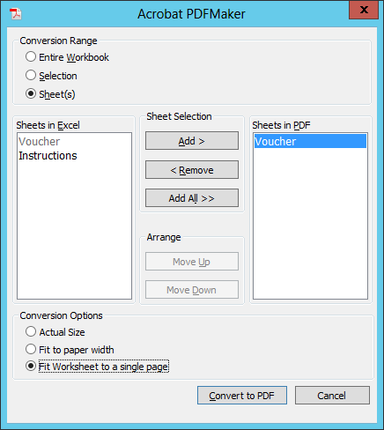
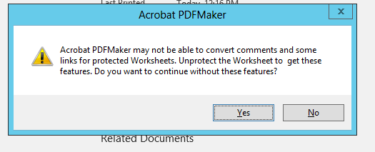
1. Select File, Save as Adobe PDF
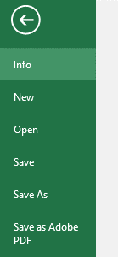

2. The screen below will pop up. Use these selections and click Convert to PDF. | 3. Click Yes to the message below and this will prompt you to save document to a designated file folder, on your computer
 | where you can import the voucher to your web basket in DW for further processing.

